Pivottable
Count of S/N | Average of Page Views | Average of User Sessions | Average of Bounce Rate
1024 | 9.9794921875 | 4.9853515625 | 0.49

Count of S/N | Column Labels
Row Labels | Desktop | mobile | Smartphone | Tablet | Grand Total
Social Media | 21.66% | 9.68% | 26.25% | 26.50% | 24.32%
Referral | 29.67% | 22.58% | 23.60% | 23.66% | 25.59%
Google | 22.26% | 25.81% | 28.91% | 26.81% | 25.98%
Direct | 26.41% | 41.94% | 21.24% | 23.03% | 24.12%
Grand Total | 100.00% | 100.00% | 100.00% | 100.00% | 100.00%

Row Labels | Count of S/N
YOUNG | 25.00%
MIDDLE AGE | 51.27%
OLD | 23.73%
Grand Total | 100.00%

Count of S/N | Column Labels
Row Labels | 11-15 Pages | 1-5 Pages | 16-20 Pages | 6-10 Pages | Grand Total
0-10min | 48 | 40 | 43 | 49 | 180
10-20min | 46 | 52 | 37 | 36 | 171
20-30min | 56 | 46 | 31 | 60 | 193
30-40min | 33 | 46 | 37 | 43 | 159
40-50min | 39 | 29 | 34 | 39 | 141
50min-1Hr | 50 | 53 | 38 | 39 | 180
Grand Total | 272 | 266 | 220 | 266 | 1024

Average of User Sessions
4.9853515625

Row Labels | Sum of S/N
Direct | 24.17%
Google | 25.30%
Referral | 24.49%
Social Media | 26.04%
Grand Total | 100.00%

Row Labels | Count of S/N
20-30min | 18.10%
50min-1Hr | 17.65%
10-20min | 16.95%
0-10min | 16.20%
40-50min | 15.60%
30-40min | 15.50%
Grand Total | 100.00%

Row Labels | Count of S/N
UK | 25.65%
Australia | 25.55%
US | 24.80%
Canada | 24.00%
Grand Total | 100.00%

Row Labels | Count of S/N
Smartphone | 33.60%
Desktop | 31.55%
Tablet | 31.00%
mobile | 3.85%
Grand Total | 100.00%

DashBoard
Shopee Web Traffic DashBoard
Last updated Auguest 2024

NUMBER OF VISIT
Average Page View
Average User Session
Average Bounce Rate
FILTERS
0.49
1024
9.979492188
4.985351563

TRAFFIC SOURCE BY DEVICE TYPE
Location Traffic
DeviceType Traffic

Traffic Source | Desktop | Mobile | Smartphone | Tablet | Grand Total | Location | %% | Device Type | %%
Social Media | 22% | 10% | 26% | 26% | 24% | UK | 25.65% | Smartphone | 33.60%
Referral | 30% | 23% | 24% | 24% | 26% | Australia | 25.55% | Desktop | 31.55%
Google | 22% | 26% | 29% | 27% | 26% | US | 24.80% | Tablet | 31.00%
Direct | 26% | 42% | 21% | 23% | 24% | Canada | 24.00% | mobile | 3.85%
Grand Total | 100% | 100% | 100% | 100% | 100% | Grand Total | 100.00% | Grand Total | 100.00%

TIME RANGE SPENT ON SITE
 | 11-15 Pages | 1-5 Pages | 16-20 Pages | 6-10 Pages
0-10min | 48 | 40 | 43 | 49
10-20min | 46 | 52 | 37 | 36
20-30min | 56 | 46 | 31 | 60
30-40min | 33 | 46 | 37 | 43
40-50min | 39 | 29 | 34 | 39
50min-1Hr | 50 | 53 | 38 | 39
AGE RANGE
 | Total
YOUNG | 25.00%
MIDDLE AGE | 51.27%
OLD | 23.73%
TIME SPENT ON SITE BY PAGES
 | 11-15 Pages | 1-5 Pages | 16-20 Pages | 6-10 Pages
0-10min | 48 | 40 | 43 | 49
10-20min | 46 | 52 | 37 | 36
20-30min | 56 | 46 | 31 | 60
30-40min | 33 | 46 | 37 | 43
40-50min | 39 | 29 | 34 | 39
50min-1Hr | 50 | 53 | 38 | 39

 | Desktop | mobile | Smartphone | Tablet
Social Media | 21.66% | 9.68% | 26.25% | 26.50%
Referral | 29.67% | 22.58% | 23.60% | 23.66%
Google | 22.26% | 25.81% | 28.91% | 26.81%
Direct | 26.41% | 41.94% | 21.24% | 23.03%

PIVOT2
Count of S/N | Average of User Sessions | Average of Bounce Rate | Average of Time on Site (Minutes) | Average of Age
2000 | 5.0395 | 0.49688790608 | 30.14 | 41.343

Row Labels | Count of S/N
Female | 976
Male | 1024
Grand Total | 2000

Row Labels | Sum of S/N
Desktop | 30.77%
mobile | 3.33%
Smartphone | 33.98%
Tablet | 31.92%
Grand Total | 100.00%

Row Labels | Count of S/N
Canada | 480
US | 496
Australia | 511
UK | 513
Grand Total | 2000

Sum of S/N | Column Labels
Row Labels | Desktop | mobile | Smartphone | Tablet | Grand Total
Direct | 148606 | 22979 | 143914 | 168165 | 483664
Google | 148437 | 15062 | 192736 | 150064 | 506299
Referral | 167011 | 13595 | 153649 | 155724 | 489979
Social Media | 151620 | 14907 | 189726 | 164805 | 521058
Grand Total | 615674 | 66543 | 680025 | 638758 | 2001000

Sum of S/N | Column Labels
Row Labels | 0-10min | 10-20min | 20-30min | 30-40min | 40-50min | 50min-1Hr | Grand Total
MIDDLE AGE | 167510 | 171699 | 188540 | 158962 | 171546 | 182820 | 1041077
OLD | 62475 | 82159 | 87202 | 61198 | 77789 | 80947 | 451770
YOUNG | 95466 | 73487 | 89154 | 71123 | 90740 | 88183 | 508153
Grand Total | 325451 | 327345 | 364896 | 291283 | 340075 | 351950 | 2001000

Count of Page Views Range | Column Labels
Row Labels | 11-15 Pages | 1-5 Pages | 16-20 Pages | 6-10 Pages | Grand Total
MIDDLE AGE | 279 | 280 | 223 | 268 | 1050
OLD | 107 | 121 | 104 | 121 | 453
YOUNG | 140 | 126 | 105 | 126 | 497
Grand Total | 526 | 527 | 432 | 515 | 2000

Dashboard1
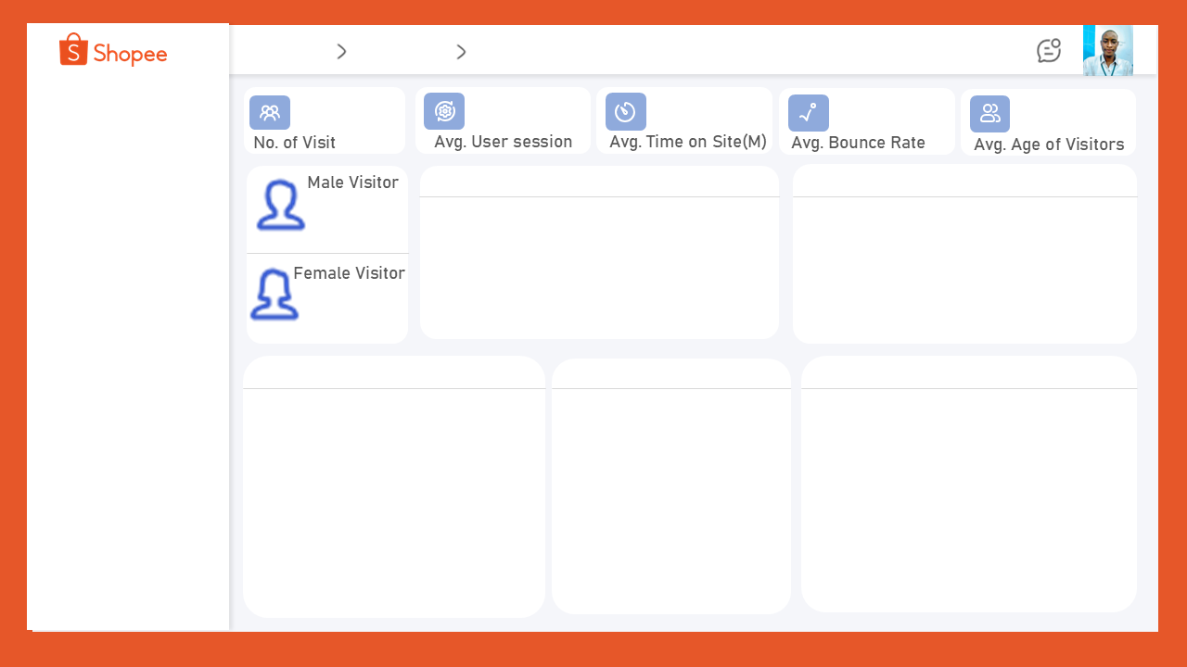

HOME
DashBoard
Key Insight

2000
5.0395
0.496887906
30.14
41.343

1024
 | Total
Canada | 480
US | 496
Australia | 511
UK | 513
 | 11-15 Pages | 1-5 Pages | 16-20 Pages | 6-10 Pages
MIDDLE AGE | 279 | 280 | 223 | 268
OLD | 107 | 121 | 104 | 121
YOUNG | 140 | 126 | 105 | 126

976

 | Desktop | mobile | Smartphone | Tablet
Direct | 148606 | 22979 | 143914 | 168165
Google | 148437 | 15062 | 192736 | 150064
Referral | 167011 | 13595 | 153649 | 155724
Social Media | 151620 | 14907 | 189726 | 164805

 | Total
Desktop | 30.77%
mobile | 3.33%
Smartphone | 33.98%
Tablet | 31.92%
 | 0-10min | 10-20min | 20-30min | 30-40min | 40-50min | 50min-1Hr
MIDDLE AGE | 167510 | 171699 | 188540 | 158962 | 171546 | 182820
OLD | 62475 | 82159 | 87202 | 61198 | 77789 | 80947
YOUNG | 95466 | 73487 | 89154 | 71123 | 90740 | 88183

Insight1
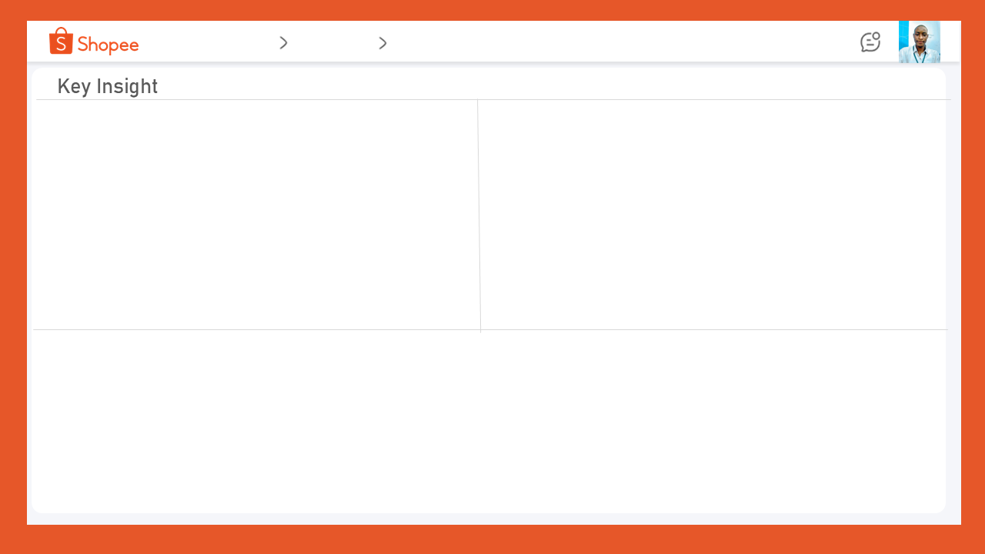
Home
DashBoard
Key Insight

2. Visitor Demographics (Gender & Location)
Near-Equal Gender Split: The visitor gender is almost evenly split: Male Visitors (1024) vs. Female Visitors (976).
Top Locations (Country): The primary source of traffic comes from:
UK (513)
Australia (511)
US (486)
Canada (480)
1. Overall Traffic & Engagement Metrics
The top row provides the core performance indicators:
High Visit Count: The site has 2,000 total visits recorded.
Decent Engagement: The average user session is 5.0395 pages, and the average time spent on site is approximately 30 seconds (0.4968 minutes), which suggests users view multiple pages but spend very little time on each one.
High Bounce Rate: The average bounce rate of 30.14% is generally considered good (lower is better), meaning most visitors are engaging beyond the landing page.
High Average Visitors: The average of 41.343 visitors is high, likely indicating a metric tracking returning users or unique visitors over a period.

3. Age Group Behavior (Visitor Count & Session Length)
Middle Age Dominance: The "MIDDLE AGE" group has the highest visit count across all page ranges compared to "OLD" and "YOUNG" visitors.
Middle Age Stays Longer: The bar chart on the bottom right shows that the MIDDLE AGE group also tends to have the highest engagement in terms of session length (e.g., the darkest bars representing 50min-1hr and 40-50min sessions are tallest for this group). Young Visitors' Behavior: "YOUNG" visitors show the lowest engagement across almost all page ranges and session lengths.

NEXT PAGE

Insight2


Home
DashBoard
Key Insight

4. Traffic Source & Device Usage
Top Traffic Sources: The vertical bar chart (bottom left) suggests that Direct and Google (Organic Search/Ads) are the leading traffic sources, followed by Referral and Social Media.
Device Preference (The Doughnut Chart):
Desktop is the dominant device for visits.
Mobile and Smartphone traffic are significant but smaller than Desktop.
Tablet usage is the lowest.
🎯 Overall Summary
The platform has a high volume of traffic with a good bounce rate. Traffic is concentrated among Middle Age visitors, primarily using Desktop and coming from the UK and Australia. Future optimization should focus on increasing the average time on site (currently low) and improving engagement for the Young visitor demographic.

